Mod2
Main

 | PARISS
 | Process
 | Audit Committee
 | Resource and competance
 | Independence
 | Status and position of internal audit
 | Standard internal audit standards.

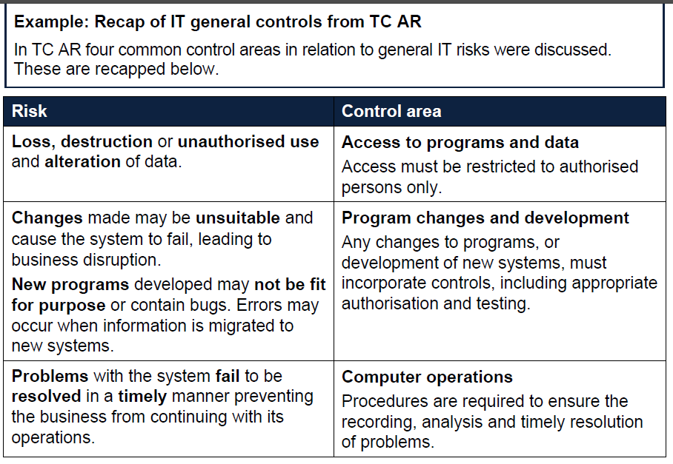

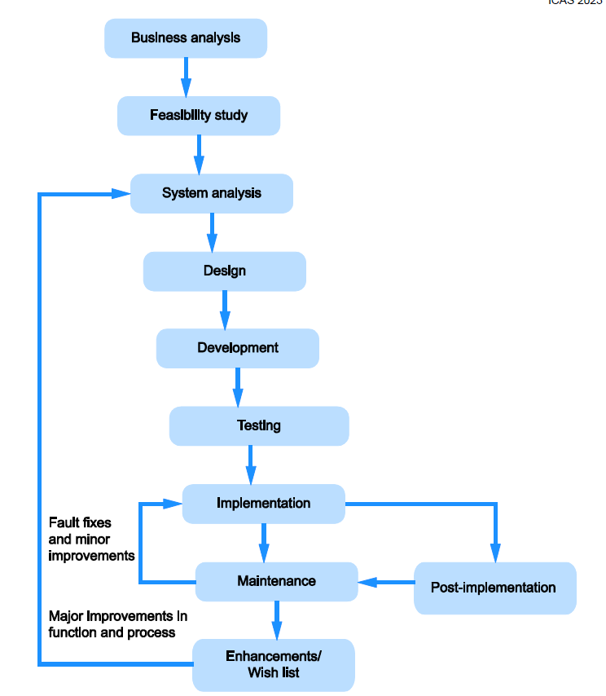

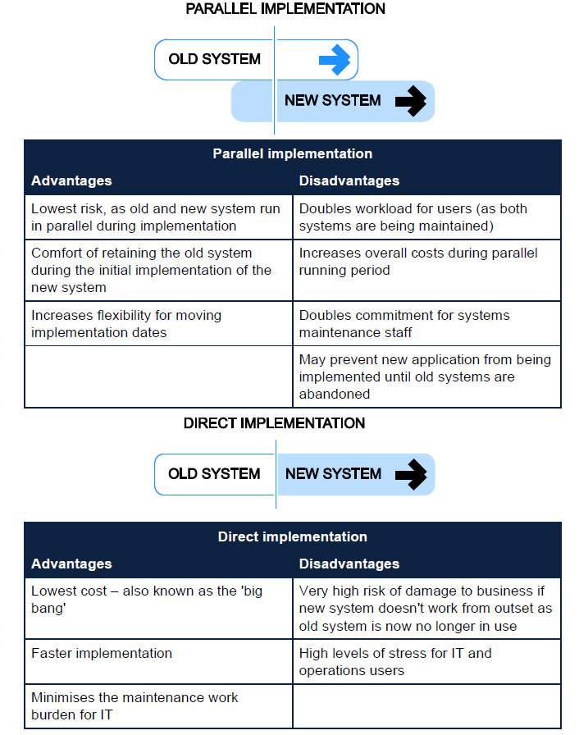

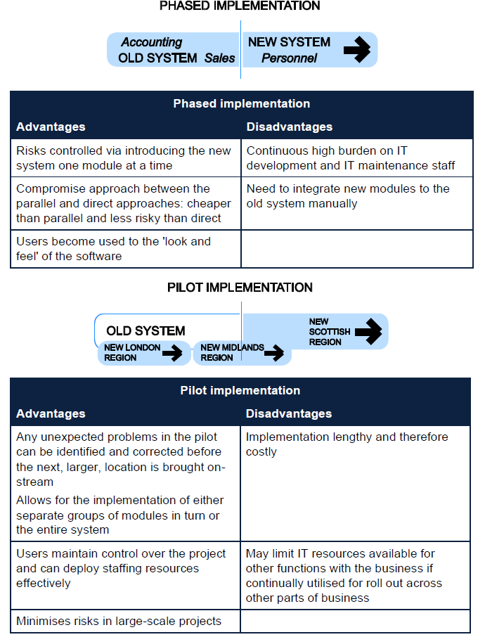

 | Activity 2
 | 0.5 | 1 | 1
 | Weaknesses in DRP | Evaluation of weaknesses | Rcommended improvement
 | computer data stored on computers | problematic if backup data not retained. Offsite, cloud backups could be used. This led to shut down for 5 days - this is unacceptable. Need to minimise downtime. | Backup up all computer data to a cloud solution or off site server.
 | Having too few concentrated sites | the computing funciotn and warehousing function were all on one site. So all went down together. A flood is an entirely foreseeable event. Insurance is not enough - need to have redundancy and backup pland so the business can continue to operate at close to full capcaity in the event of one site shutting down. | More sites. Spread the operations around to different geogrpahies to minimise impact of flooding. Should it happen again. Centralise computing funcion to one locatoin. Agree with other businesses to share warehousing functionality. As a mutual safeguard.
 | IT manager prepared the DRT | - should be headed by one person - but input from all areas of the businesss. Such as warehousing and ops. | IT manager in charge but input needed form different heads of business.
 | The emergency flowchart is not detilaed enough | create a decision tree for the emergency respose
 | need alternative warehousing premises | all good having an emergency boardroom but the warehousing and iT funciotn failed here also. | build in backups for IT and warehousing function
 | Plan is out of date
 | limited range of disasters considered
 | emergency meeting room is in ajoining unit - would likely be impacted by same flooding or fire, power outage etc.
 | no specifc training for Ees | no proper training in place to show ees are aware and use the policy
 | plan is out of date - has not been updated annually as set out in the DRP.

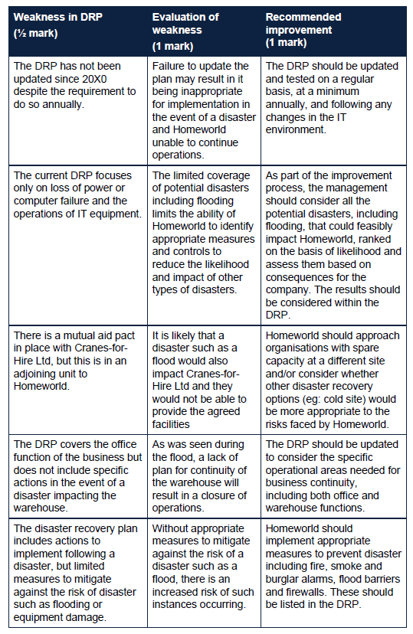

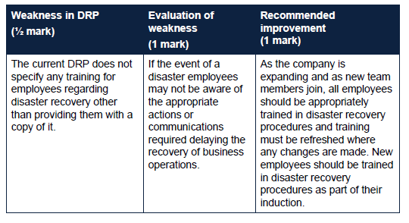

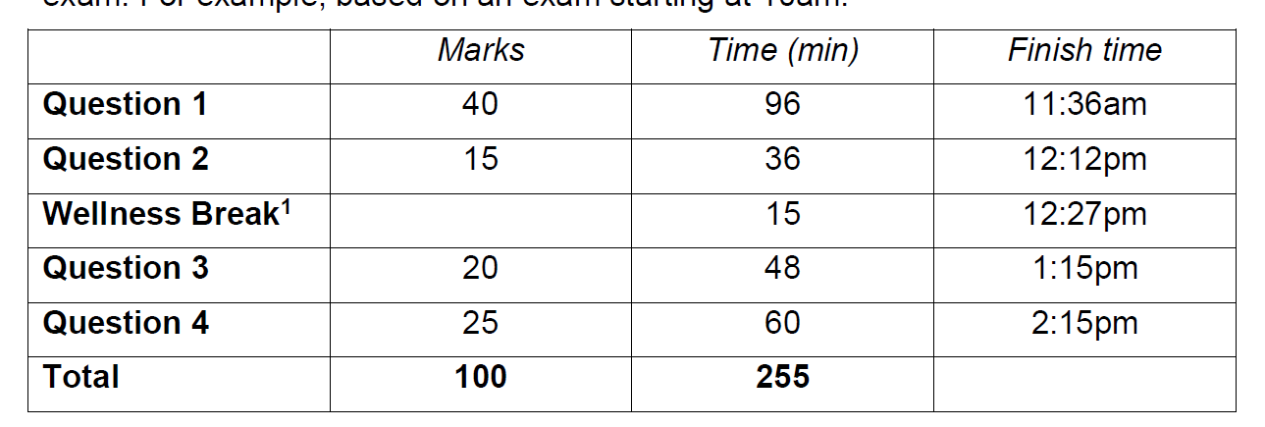

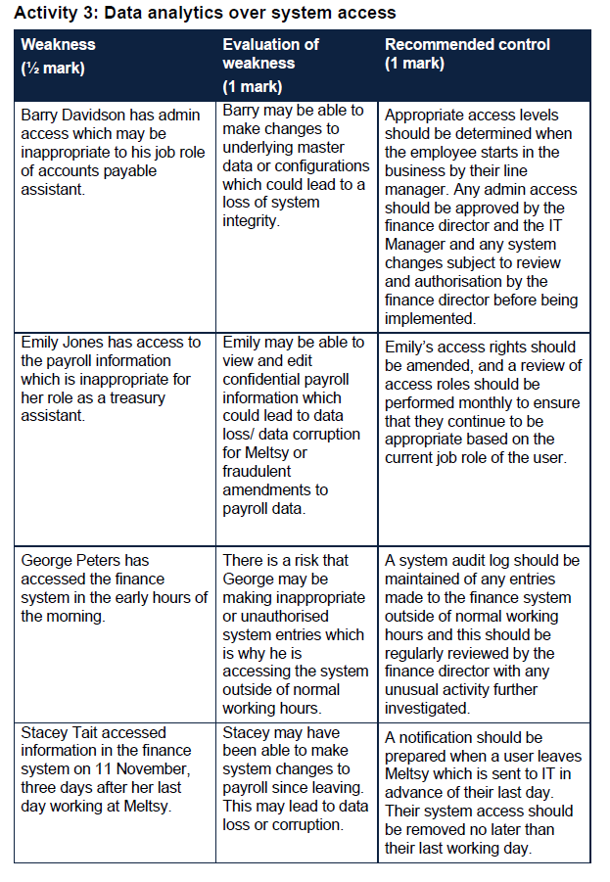

 |  |  |  |  |  | AP clerk could make changes to the underlying master data or config which could lead to a loss of system integrity | control - admin access should be determined when joining the firm and reviewed periodically. And chnaged from EE level to admin level should be reviewed and approved by the FD and MD before being implemented by IT manager

 |  |  |  |  |  | Treasury clerk can see payroll (sensitive) information. If she can amend payroll data - this could lead to data loss, corruption or fraudulent entries to payroll data. | access rights need to be amended. Review contrl needs to be reviewed each month to ensure appropraite levels of acccess are maintined.

 |  |  |  |  |  | Odd working hours for George accessing finance system at odd hours.
 |  |  |  |  |  | risk around making amendments at odd hours and even weekend.
 |  |  |  |  |  | a log of master file changes made outside of hours and at weekends should be kept and reviewed.

 |  |  |  |  |  | Stacey tait left he firm 4 days before last access.
 |  |  |  |  |  | ee has made changes to system after leacing.
 |  |  |  |  |  | system affeceted: payroll
 |  |  |  |  |  | this could lead to loss of data, corruption of fraud.
 |  |  |  |  |  | IT need to be made aware of EE end dates.
 |  |  |  |  |  | system access removed as at last working day.

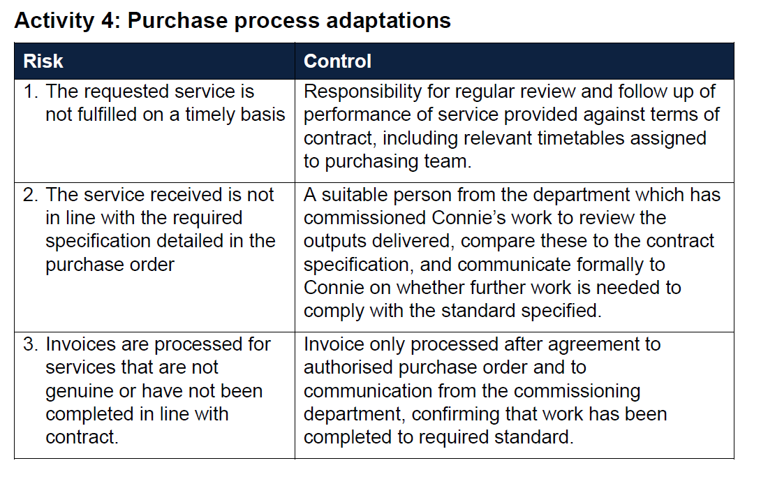

 |  |  |  |  |  |  |  | only process invoice once it has been matched to the service performed.

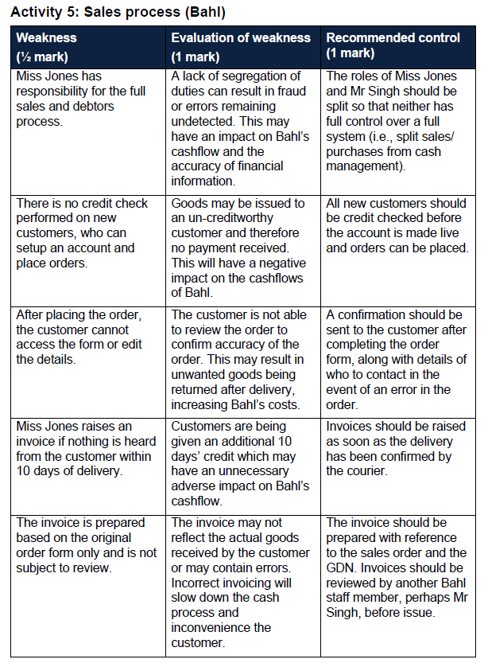

 |  |  |  |  | cannot have one person doing all the work for a section.
 |  |  |  |  | they should mix it up to provide for preparer / reviewer controls

 |  |  |  |  | need to send a confirmation email to confirm accuracy of information before delivery

 |  |  |  |  | needlessly giving out 10 days of credit.
 |  |  |  |  | can more efficiently manage their cashflows by implementing a GRN and courier confirmation process
 |  |  |  |  | actual collection days is 40 days under the current system
 |  |  |  |  | POD back asap and get the invoice out

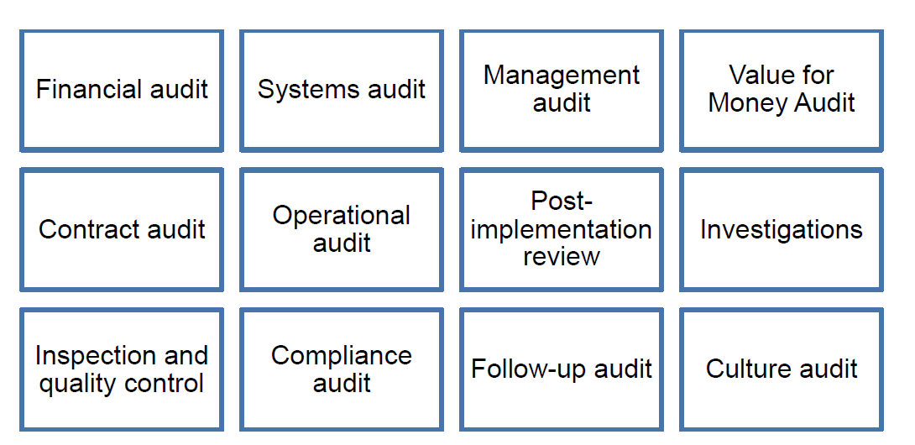
 |  |  |  | Types of internal audit

